Sheet1
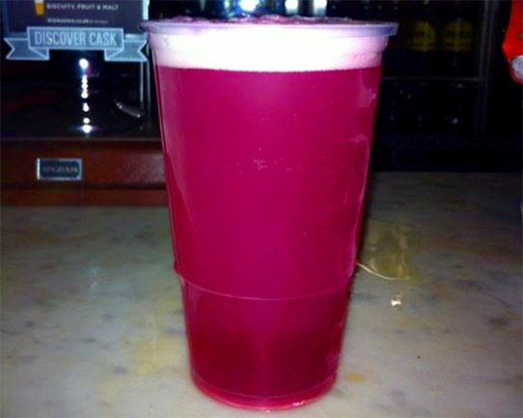

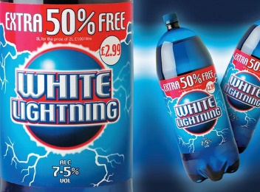

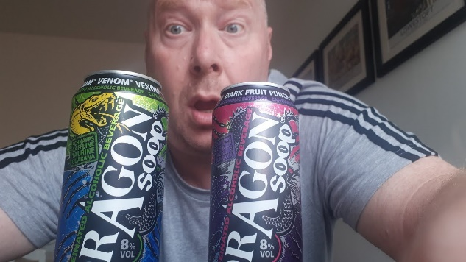
Team Name | Leg 1 | Leg 2 | Leg 3 | Leg 4
Buckie | David Calder | Rob Hamlin | Lorna Mahoney | Megan Fileman
 |  | Harrison Stubbs | Cat Fisher
Super T | Ella Peters | Rod Flemming | Romy Beard | John Quinn
 | Ruth Crewe | Chris Furse | Elspeth Berry
Dragon Soop | John Donnelly | Julia McClure | Alistair Boyer | Stella Bray

 | David Aitken | Bex Beveridge | Ross Anderson
Venom | Katie Rademaker | Libby Paterson | James Bowden | Frances McCartney
 |  | Eileen Hamill | Joe Waite | Jenn Ruddick
White Lightning | Elizabeth Adams | Hua Cui | Alwyn Poulter | Mairi Gilmour
 |  | Sharon Taylor | Niall McAlinden
MD2020 | Graeme Orr | Sarah Adam | Luke Mahoney | Holly Eadsforth
 |  | John Hamer | Ally MacInnes
Hooch | Fiona Hutchison | Andrew Fullwood | Kerry Cuningham | Tom Finch

 |  | Alice Tiboorman | Emma McCahill
Snakebite | Clare Reid | Ian Thurlbeck | Melissa Williams | Tom Elliotte
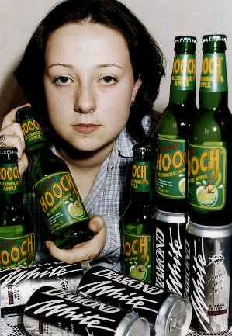
 | Holly Barwick | Chris McKiddie | Kirsty Milton Moir
Thunderbird | Peter Baxter | Will Beresford | Gillian Irvine | Gregor Stewart
 |  | Del Young | Helen MacPherson

